ke logistk
# | SN | Exp Date | Diff IC2 | Data AJN | Ke Parama | Dev-Maint | I/W | SNSticker | Notes | Cacat? | Ant Cel | Ant Wifi | GPS | Adaptor | TutupSimcard | LED1/LED2 | Reset OK?
1 | 192C-C00A-8FD6 | 20250923 | No | V | 20240904 | V | 20240923 | V | SN DUS: | Tidak | 2 | 2 | 1 | 1 | V | V/V | V
 |  |  |  |  |  |  |  |  | 192D-34E3-845A
1 | 192C-C264-EB3C | 20240819 | Yes | V | 20240927 | V | 20240926 | V | SN DUS: | Tidak | 2 | 2 | 1 | 1 | V | V/V | V
 |  |  |  |  |  |  |  |  | 192D-32BD-D787
7 | 192C-D00D-9FA0 | 20240926 | Yes | V | 20240927 | V | 20240926 | V | SN DUS: | Tidak | 2 | 2 | 1 | 1 | V | V/V | V
 |  |  |  |  |  |  |  |  | 192D-3394-F42D
8 | 192C-BF5F-A58E | 20240819 | Yes | V | 20240927 | V | 20240819 | V | SN DUS: | Tidak | 2 | 2 | 1 | 1 | V | V/V | V
 |  |  |  |  |  |  |  |  | 192D-331C-7CAD
9 | 192C-C009-8FE5 | 20240819 | Yes | V | 20240927 | V | 20240819 | V | SN DUS: | Tidak | 2 | 2 | 1 | 1/USA | V | V/V | V
 |  |  |  |  |  |  |  |  | 192D-3384-E52C
10 | 192C-C248-C9F2 | 20240819 | Yes | V | 20240927 | V | 20240819 | V | SN DUS: | Tidak | 2 | 2 | 1 | 1 | V | V/V | V
 |  |  |  |  |  |  |  |  | 192D-337C-1AAB
13 | 192C-E0B8-14FD | 20240819 | Yes | X | 20240927 | V | 20240819 | V | SN DUS: | Tidak | 2 | 2 | 1 | 1 | V | V/V | V
 |  |  |  |  |  |  |  |  | 192D-32F4-932A
20 | 192C-BF55-A524 | 20240819 | Yes | V | 20240927 | V | 20240819 | V | SN DUS: | Ya | 2 | 2 | 1 | 1 | x | V/V | V
 |  |  |  |  |  |  |  |  | 192D-336C-0BAA
21 | 192C-C010-9E7D | 20240819 | Yes | V | 20240927 | V | 20240819 | V | SN DUS: | Tidak | 2 | 2 | 1 | 1 | V | V/V | V
 |  |  |  |  |  |  |  |  | 192D-3388-E5E0
28 | 192C-BF60-9672 | 20240819 | Yes | V | 20240927 | V | 20240819 | V | SN DUS: | Tidak | 2 | 2 | 1 | 1 | V | V/V | V
 |  |  |  |  |  |  |  |  | 192D-3380-E568

# | SN | Exp Date | Diff IC2 | Data AJN | Ke Parama | Dev-Maint | I/W | SNSticker | Notes | Lengkap? | Ant Cel | Ant Wifi | GPS | Adaptor | TutupSimcard | LED1/LED2 | Reset OK?
2 | 192C-CE8C-09B6 | 20240926 | Yes | V | 20240927 | V | 20240926 | V | Tidak ada dus | Tidak | N.1 | N.2 | X | N.3 | V | V/V | V
3 | 192C-CF91-196B | 20240926 | Yes | V | 20240927 | V | 20240926 | V | Tidak ada dus | Tidak | N.1 | N.2 | X | N.3 | V | V/V | V
4 | 192C-D003-9F4E | 20240926 | Yes | V | 20240927 | V | 20240926 | V | Tidak ada dus | Tidak | N.1 | N.2 | X | N.3 | V | V/V | V
5 | 192C-D033-AC4D | 20240926 | Yes | V | 20240927 | V | 20240926 | V | Tidak ada dus | Tidak | N.1 | N.2 | X | N.3 | V | V/V | V
6 | 192C-D05C-CAB4 | 20240926 | Yes | V | 20240927 | V | 20240926 | V | Tidak ada dus | Tidak | N.1 | N.2 | x | N.3 | V | V/V | V
11 | 192C-C24A-C9D0 | 20240819 | Yes | V | 20240927 | V | 20240819 | X | Tidak ada dus | Tidak | N.1 | N.2 | x | N.3 | V | V/V | V
12 | 192C-D116-8F1B | 20240926 | Yes | X | 20240927 | V | 20240926 | V | Tidak ada dus | Tidak | N.1 | N.2 | x | N.3 | V | V/V | V
14 | 192C-D04C-DBB5 | 20240926 | Yes | V | 20240927 | V | 20240926 | X | Tidak ada dus | Tidak | N.1 | N.2 | x | N.3 | V | V/V | V
15 | 192C-D0F9-60EB | 20240926 | Yes | V | 20240927 | V | 20240926 | V | Tidak ada dus | Tidak | N.1 | N.2 | x | N.3 | V | V/V | V
16 | 192C-CF0C-80BF | 20240926 | Yes | V | 20240927 | V | 20240926 | X | Tidak ada dus | Tidak | N.1 | N.2 | x | N.3 | V | V/V | V
17 | 192C-D03B-ACC5 | 20240926 | Yes | V | 20240927 | V | 20240926 | X | Tidak ada du | Tidak | N.1 | N.2 | x | N.3 | V | V/V | V
18 | 192C-D059-CAE1 | 20240926 | Yes | V | 20240927 | V | 20240926 | V | Tidak ada dus | Tidak | N.1 | N.2 | x | N.3 | V | V/V | V
19 | 192C-D026-BD19 | 20240926 | Yes | V | 20240927 | V | 20240926 |  | Tidak ada dus | Tidak | N.1 | N.2 | x | N.3 | V | V/V | V
22 | 192C-CF72-F756 | 20240926 | Yes | V | 20240927 | V | 20240926 | V | Tidak ada dus | Tidak | N.1 | N.2 | x | N.3 | V | V/V | V
23 | 192C-CF67-E602 | 20240926 | Yes | V | 20240927 | V | 20240926 |  | Tidak ada dus | Tidak | N.1 | N.2 | x | N.3 | V | V/V | V
24 | 192C-CF7E-F79A | 20240926 | Yes | V | 20240927 | V | 20240926 | V | Tidak ada dus | Tidak | N.1 | N.2 | x | N.3 | V | V/V | V
25 | 192C-CE2C-A3BC | 20240926 | Yes | V | 20240927 | V | 20240926 | V | Tidak ada dus | Tidak | N.1 | N.2 | x | N.3 | X | V/V | V
26 | 192C-C210-9C7F | 20240819 | Yes | V | 20240927 | V | 20240819 | V | Tidak ada dus | Tidak | N.1 | N.2 | X | N.3 | V | V/V | V
27 | 192C-CFF2-7F5E | 20240926 | Yes | V | 20240927 | V | 20240926 | V | Tidak ada dus | Tidak | N.1 | N.2 | X | N.3 | V | V/V | V
29 | 192C-CFF1-7F6D | 20240926 | Yes | V | 20240927 | V | 20240926 | V | Tidak ada dus | Tidak | N.1 | N.2 | X | N.3 | V | V/V | V
30 | 192C-CF88-08F3 | 20240926 | Yes | V | 20240927 | V | 20240926 | V | Tidak ada dus | Tidak | N.1 | N.2 | X | N.3 | V | V/V | V

 | Note:
 | N.1 = Asesoris Antena selular (dipisah, di 1 kantong plastic dari pengirim) = total 42 buah = 21 unit
 | N.2 = Asesoris antenna WiFi (dipisah, di 1 kantong plastic dari pengirim) = total 42 buah = 21 unit
 | N.3 = Adaptor di DUS berpencar, 20 buah plus 1 beda unit / merek, kecil = total 21 unit

 | catatan:
 | 192C-C00A-8FD6 |  | akan di pakai di kapal DRY TRANSPORT, issue IC2 unit mereka
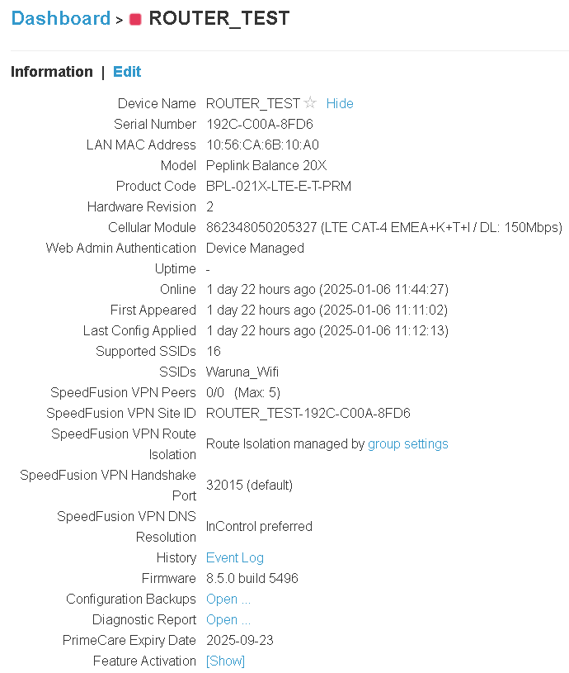

 | unit dari Fajar --> Sella --> logistik --> proses kirim ( 20240107 +- )

Pengembalian
 | 7 unit pengembalian #1
# | SN | tgl Pengembalian | note | space | status
1 | 192C-CF6E-E69B | 4-Sep-24 | unit untuk Waruna/BKI |  | BKI
2 | 192C-CFD4-5D3A | 4-Sep-24 | unit untuk Waruna/BKI |  | BKI
3 | 192C-D05D-CAA5 | 4-Sep-24 | unit untuk Waruna/BKI |  | BKI
4 | 192C-D120-BC7E | 4-Sep-24 | unit untuk Waruna/BKI |  | BKI
5 | 192C-D13F-AD80 | 4-Sep-24 | unit untuk Waruna/BKI |  | BKI
6 | 192C-D148-DAF0 | 4-Sep-24 | tidak ada di list sheet "Warranty" |  | BKI
7 | 192C-C00A-8FD6 | 4-Sep-24

 | 10 unit pengembalian #2
# | SN | Data Master AJN | Tanggal pengembalian | Dev-Maint | I/W | IC2 ? | cekSticker | Exp Date | Complete? | Antenna Cel | Antenna Wifi | GPS | Adaptor | TutupSimcard | LED1/LED2 | Reset OK? | Notes
 | 192C-C011-9E6C | V | 20240924 | V | V | V | V | 20240819 | V | 2 | 2 | 1 | 1 | V | V/V | V | Beda adaptor
1 |  |  |  |  |  |  |  |  |  |  |  |  |  |  |  |  | SN DUS:
 |  |  |  |  |  |  |  |  |  |  |  |  |  |  |  |  | 192D-33A9-C7F3
2 | 192C-BF31-C366 | V | 20240924 | V | V | V | V | 20240819 | x | 2 | 2 | 1 | 1 | X | V/V | V | SN DUS: 192D-32EA-82C5
3 | 192C-BF57-A506 | V | 20240924 | V | V | V | V | 20240819 | x | 2 | 2 | 1 | 1 | X | V/V | V | SN DUS:
 |  |  |  |  |  |  |  |  |  |  |  |  |  |  |  |  | 192D-3405-6A32
4 | 192C-C049-CBE1 | V | 20240924 | V | V | V | V | 20240819 | V | 2 | 2 | 1 | 1 | V | V/V | V | SN DUS
 |  |  |  |  |  |  |  |  |  |  |  |  |  |  |  |  | 192D-2D52-2648
5 | 192C-C246-C91C | V | 20240924 | V | V | V | V | 20240819 | V | 2 | 2 |  | 1 | V | V/V |  | SN DUS
 |  |  |  |  |  |  |  |  |  |  |  |  |  |  |  |  | 192D-337E-1AB9
6 | 192C-C249-C9E3 | V | 20240924 | V | V | V | V | 20240819 | V | 2 | 2 |  | 1 | V |  |  | SN DUS:
 |  |  |  |  |  |  |  |  |  |  |  |  |  |  |  |  | 192D-33A7-C71D
7 | 192C-C233-BE4E | V | 20240924 | V | V | V | V | 20240819 | V | 2 | 2 | 1 | 1 | V | V/V | V | SN DUS:
 |  |  |  |  |  |  |  |  |  |  |  |  |  |  |  |  | 192D-3385-E53D
8 | 192C-BF39-C3EE | V | 20240924 | V | V | V | V | 20240819 | V | 2 | 2 | 1 | 1 | V | V/V | V | Beda Adaptor
 |  |  |  |  |  |  |  |  |  |  |  |  |  |  |  |  | SN DUS:
 |  |  |  |  |  |  |  |  |  |  |  |  |  |  |  |  | 192D-3399-F4F0
9 | 192C-C22C-AFB0 | V | 20240924 | V | V | V | V | 20240819 | V | 2 | 2 | 1 | 1 | V | V/V | V | Beda Adaptor
 |  |  |  |  |  |  |  |  |  |  |  |  |  |  |  |  | SN DUS:
 |  |  |  |  |  |  |  |  |  |  |  |  |  |  |  |  | 192D-33F6-9209
10 | 192C-BF5E-A59F | V | 20240924 | V | V | V | V | 20240819 | V | 2 | 2 | 1 | 1 | V | V/V | V | SN DUS:
 |  |  |  |  |  |  |  |  |  |  |  |  |  |  |  |  | 192D-3407-6A10

 | 30 unit pengembaian #3
# | SN | Exp Date | Diff IC2 | Data AJN | Ke Parama | Dev-Maint | I/W | SNSticker | Notes | Complete? | Ant Cel | Ant Wifi | GPS | Adaptor | TutupSimcard | LED1/LED2 | Reset OK?
1 | 192C-C264-EB3C | 20240819 | Yes | V | 20240927 | V | 20240926 | V | SN DUS: | V | 2 | 2 | 1 | 1 | V | V/V | V
 |  |  |  |  |  |  |  |  | 192D-32BD-D787
2 | 192C-CE8C-09B6 | 20240926 | Yes | V | 20240927 | V | 20240926 |  |  | V | 2 | 2 | 1 | 1 | V | V/V | V
3 | 192C-CF91-196B | 20240926 | Yes | V | 20240927 | V | 20240926 |  |  | V | 2 | 2 | 1 | 1 | V | V/V | V
4 | 192C-D003-9F4E | 20240926 | Yes | V | 20240927 | V | 20240926 |  |  | V | 2 | 2 | 1 | 1/USA | V | V/V | V
5 | 192C-D033-AC4D | 20240926 | Yes | V | 20240927 | V | 20240926 |  |  | V | 2 | 2 | 1 | 1 | V | V/V | V
6 | 192C-D05C-CAB4 | 20240926 | Yes | V | 20240927 | V | 20240926
7 | 192C-D00D-9FA0 | 20240926 | Yes | V | 20240927 | V | 20240926 | V | SN DUS: | V | 2 | 2 | 1 | 1 | V | V/V | V
 |  |  |  |  |  |  |  |  | 192D-3394-F42D
8 | 192C-BF5F-A58E | 20240819 | Yes | V | 20240927 | V | 20240819 | V | SN DUS: | V | 2 | 2 | 1 | 1 | V | V/V | V
 |  |  |  |  |  |  |  |  | 192D-331C-7CAD
9 | 192C-C009-8FE5 | 20240819 | Yes | V | 20240927 | V | 20240819 | V | SN DUS: | V | 2 | 2 | 1 | 1/USA | V | V/V | V
 |  |  |  |  |  |  |  |  | 192D-3384-E52C
10 | 192C-C248-C9F2 | 20240819 | Yes | V | 20240927 | V | 20240819 | V | SN DUS: | V | 2 | 2 | 1 | 1 | V | V/V | V
 |  |  |  |  |  |  |  |  | 192D-337C-1AAB
11 | 192C-C24A-C9D0 | 20240819 | Yes | V | 20240927 | V | 20240819
12 | 192C-D116-8F1B | 20240926 | Yes | X | 20240927 | V | 20240926
13 | 192C-E0B8-14FD | 20240819 | Yes | X | 20240927 | V | 20240819 | V | SN DUS: | V | 2 | 2 | 1 | 1 | V | V/V | V
 |  |  |  |  |  |  |  |  | 192D-32F4-932A
14 | 192C-D04C-DBB5 | 20240926 | Yes | V | 20240927 | V | 20240926
15 | 192C-D0F9-60EB | 20240926 | Yes | V | 20240927 | V | 20240926
16 | 192C-CF0C-80BF | 20240926 | Yes | V | 20240927 | V | 20240926
17 | 192C-D03B-ACC5 | 20240926 | Yes | V | 20240927 | V | 20240926
18 | 192C-D059-CAE1 | 20240926 | Yes | V | 20240927 | V | 20240926
19 | 192C-D026-BD19 | 20240926 | Yes | V | 20240927 | V | 20240926
20 | 192C-BF55-A524 | 20240819 | Yes | V | 20240927 | V | 20240819 | V | SN DUS: | X | 2 | 2 | 1 | 1 | x | V/V | V
 |  |  |  |  |  |  |  |  | 192D-336C-0BAA
21 | 192C-C010-9E7D | 20240819 | Yes | V | 20240927 | V | 20240819 | V | SN DUS: | V | 2 | 2 | 1 | 1 | V | V/V | V
 |  |  |  |  |  |  |  |  | 192D-3388-E5E0
22 | 192C-CF72-F756 | 20240926 | Yes | V | 20240927 | V | 20240926
23 | 192C-CF67-E602 | 20240926 | Yes | V | 20240927 | V | 20240926
24 | 192C-CF7E-F79A | 20240926 | Yes | V | 20240927 | V | 20240926
25 | 192C-CE2C-A3BC | 20240926 | Yes | V | 20240927 | V | 20240926
26 | 192C-C210-9C7F | 20240819 | Yes | V | 20240927 | V | 20240819
27 | 192C-CFF2-7F5E | 20240926 | Yes | V | 20240927 | V | 20240926
28 | 192C-BF60-9672 | 20240819 | Yes | V | 20240927 | V | 20240819 | V | SN DUS: | V | 2 | 2 | 1 | 1 | V | V/V | V
 |  |  |  |  |  |  |  |  | 192D-3380-E568
29 | 192C-CFF1-7F6D | 20240926 | Yes | V | 20240927 | V | 20240926
30 | 192C-CF88-08F3 | 20240926 | Yes | V | 20240927 | V | 20240926

 | 7 unit ke-1 ( 6 nya ke BKI Waruna )
# | SN | Exp Date | Diff IC2 | Data AJN | Ke Parama | Dev-Maint | I/W | SNSticker | Notes | Complete? | Ant Cel | Ant Wifi | GPS | Adaptor | TutupSimcard | LED1/LED2 | Reset OK?
1 | 192C-C00A-8FD6 | 20250923 | No | V | 20240904 | V | 20240923 | V | SN DUS: | V | 2 | 2 | 1 | 1 | V | V/V | V
 |  |  |  |  |  |  |  |  | 192D-34E3-845A

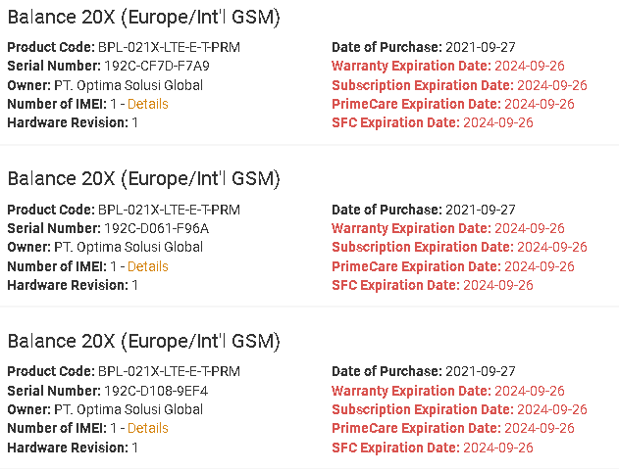
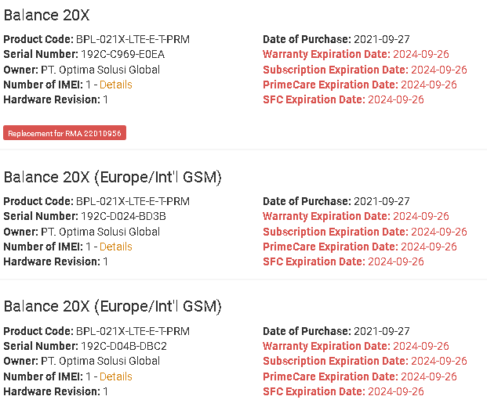
 | 3+3 unit pengembalian ke #4
 | data SJ:
 | 192C-D04B-DBC2
 | 192c-D024-BD3B
 | 192C-C969-E0EA
 | data SJ:
 | 192C-D108-9EF4
 | 192C-CF7D-F7A9
 | 192C-D061-F96A

 | 1 unit pengembalian ke #5
 | data BA:
 | 192C-C08F-078B

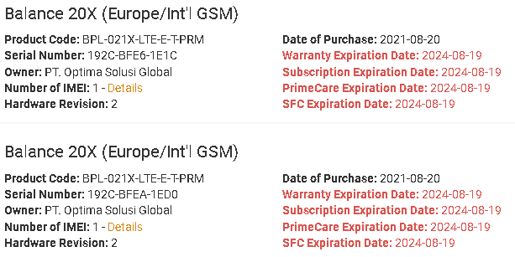
 | 2024-12-16 | 2 unit pengembalian
 | data BA:
 | 192C-BFEA-1ED0
 | 192C-BFE6-1E1C

